Sheet1
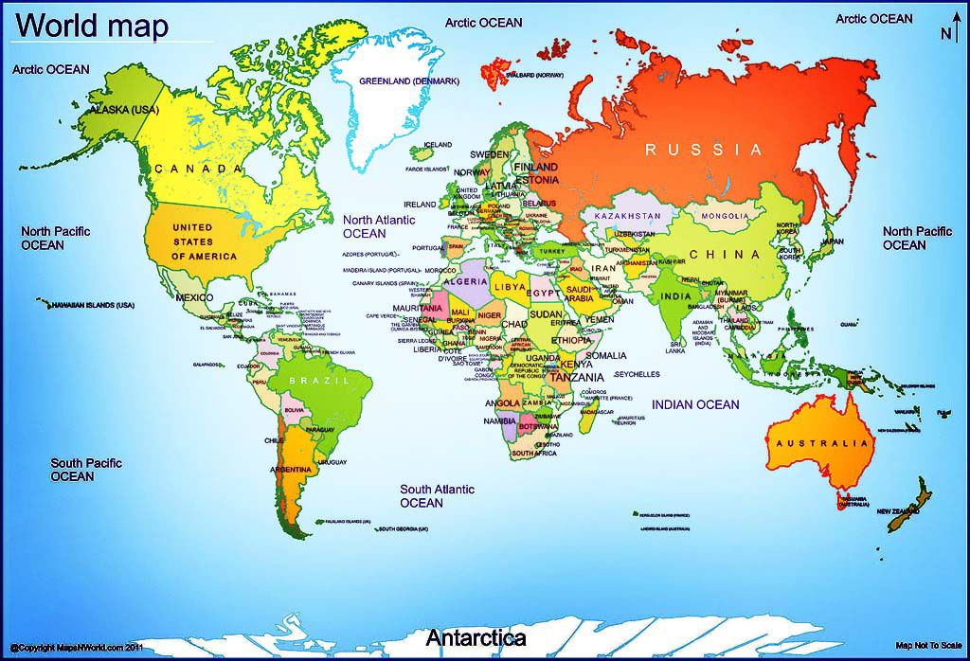
COUNTRY | SIZE(KM2) | POPULATION | NET WORTH | POPULATION/SIZE | FUNCTION
AMERICA | 9,826,675 | 329500000 | 121700$ | 33.531179163 | country has higher population
CANADA | 9,984,670 | 38010000 | 329,900$ | 3.8068358794 | country has lower population
MEXICO | 19,730 | 12890000 | 110,000$ | 653 | country has lower population
BRAZIL | 8,514,877 | 212600000 | 18,248.36$ | 24.968064718 | country has lower population
ENGLAND | 130,279 | 55800000 | 234,800 $ | 428.31154676 | country has lower population

 | COUNTRY | (All)

 | Row Labels | Sum of SIZE(KM2) | Sum of POPULATION
 | 19,730 | 19730 | 12890000
 | 130,279 | 130279 | 55800000
 | 8,514,877 | 8514877 | 212600000
 | 9,826,675 | 9826675 | 329500000
 | 9,984,670 | 9984670 | 38010000
 | Grand Total | 28476231 | 648800000

